
DESCRIPTION: |  | Tanks | SN from 01B100
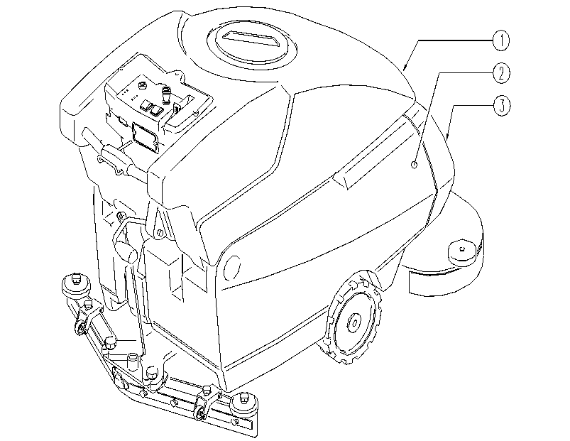

 | ITEM | SKU | DESCRIPTION | QTY
 | 1 | E89116 | Recovery tank FS28/32 | 1
 | 2 | E89227 | Solution tank FS28/32 | 1
 | 3 | E87684 | Hood FS28 | 1

